Home
Rafael Menezes de Souza |  | Business Cash Flow

ENTRIES
REPORTS
CHARTS
Company
SOUZA LTDA

Income Chart of Accounts - Level 1
Monthly Cash Flow and Income
Financial Dashboard - Current Position
Income Chart of Accounts - Level 2
Revenue Details
Financial Dashboard - Monthly Position
Expense Chart of Accounts - Level 1
Expense Details
Responsible
Rafael M Souza
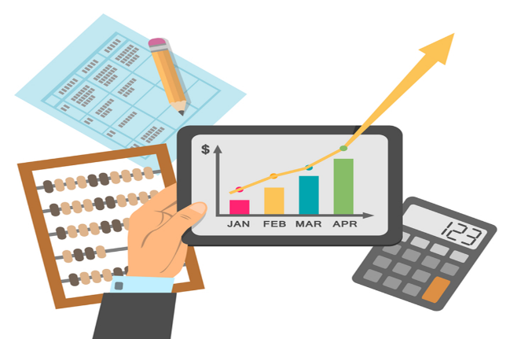
Expense Chart of Accounts - Level 2
Accounts Payable
Cash Inflow Record
Accounts Receivable

Cash Outflow Record
Overdue Accounts Receivable

 | PT: Este projeto consiste em um sistema de Fluxo de Caixa que poderá ser utilizado de verdade em vários tipos de negócio. O sistema vai trabalhar tanto com regime de caixa como com regime de competência. EN: This project consists of a Cash Flow system that can be used in real-life scenarios for various types of businesses. The system will work with both cash basis and accrual basis accounting.

 | Resources: Shapes Hiperlinks
 | Tables
 | Freeze Panes
 | Data Validation

IncomeChartL1
Rafael Menezes de Souza | INCOME CHART LEVEL 1
HOME
INCOME CHART LEVEL 1
Level 1
Short-term loans
Long-term financing
Financial income
Sale of assets
Sales of goods

IncomeChartL2
Rafael Menezes de Souza |  | INCOME CHART LEVEL 2
HOME
INCOME CHART LEVEL 2
Level 1 | Level 2
Short-term loans | Working capital loans
Financial Income | Interest on applications
Sale of assets | Own furniture
Sales of goods | Home appliances
Sales of goods | Computing
Sales of goods | Books
Sales of goods | Furniture
Sales of goods | Sound and image

ExpenseChartL1
Rafael Menezes de Souza | EXPENSE CHART LEVEL 1
HOME
EXPENSE CHART LEVEL 1
Level 1
Purchase of goods
Administrative expenses
Commercial expenses
Financial expenses
Income tax
Sales tax

ExpenseChartL2
Rafael Menezes de Souza |  | EXPENSE CHART LEVEL 2
HOME
EXPENSE CHART LEVEL 2
Level 1 | Level 2
Purchase of goods | Home appliances
Purchase of goods | Computing
Purchase of goods | Books
Purchase of goods | Som e imagem
Purchase of goods | Clothing
Administrative expenses | Communication - internet and telephony
Administrative expenses | Electric power
Commercial expenses | Charges on salespeople’s salaries
Commercial expenses | Salespeople’s salaries
Financial expenses | Interest on loans
Income tax | Income tax on presumed profit

IncomeRecord
Rafael Menezes de Souza | INCOME RECORD
HOME

ExpenseRecord
Rafael Menezes de Souza | EXPENSE RECORD
HOME

ConsolidatedCashFlow
Rafael Menezes de Souza | CONSOLIDATED CASH FLOW
HOME

RevenueDetails
Rafael Menezes de Souza | REVENUE DETAILS
HOME

ExpenseDetails
Rafael Menezes de Souza | EXPENSE DETAILS
HOME

AccountsPayable
Rafael Menezes de Souza | ACCOUNTS PAYABLE
HOME

AccountsReceivable
Rafael Menezes de Souza | ACCOUNTS RECEIVABLE
HOME

OverdueAccountsReceivable
Rafael Menezes de Souza | OVERDUE ACCOUNTS RECEIVABLE
HOME

CurrentFinancialDashboard
Rafael Menezes de Souza | CURRENT FINANCIAL DASHBOARD
HOME

MonthlyFinancialDashboard
Rafael Menezes de Souza | MONTLY FINANCIAL DASHBOARD
HOME

